Sheet1
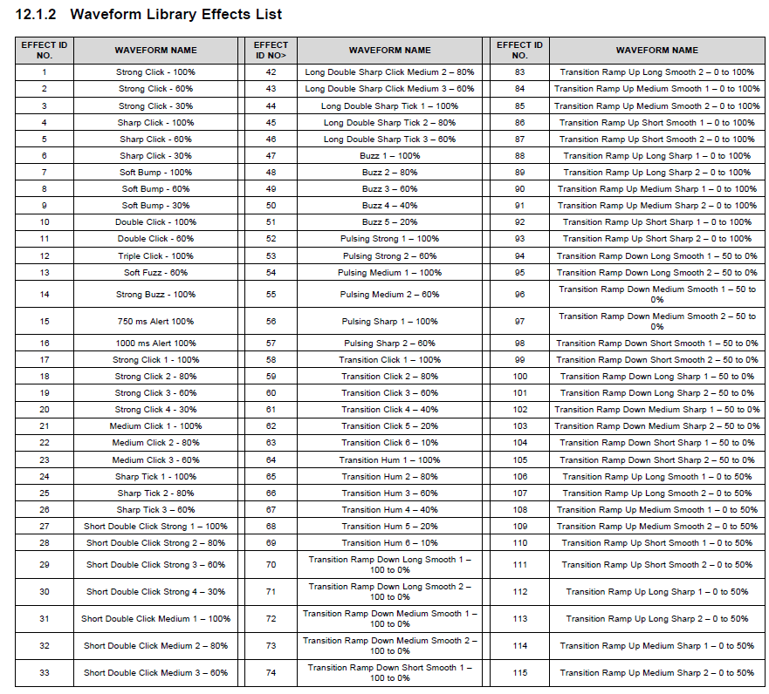
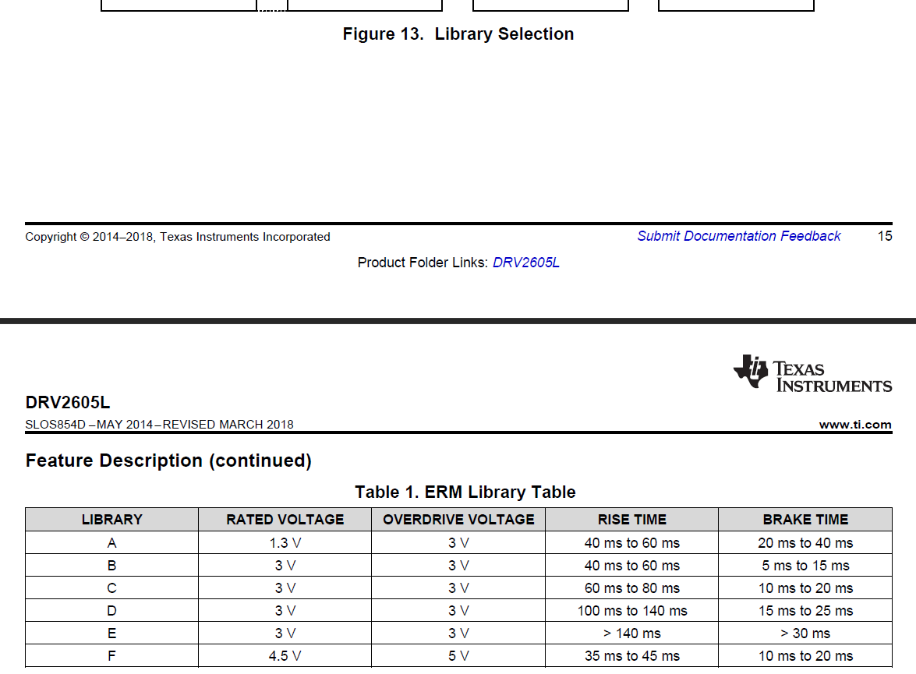
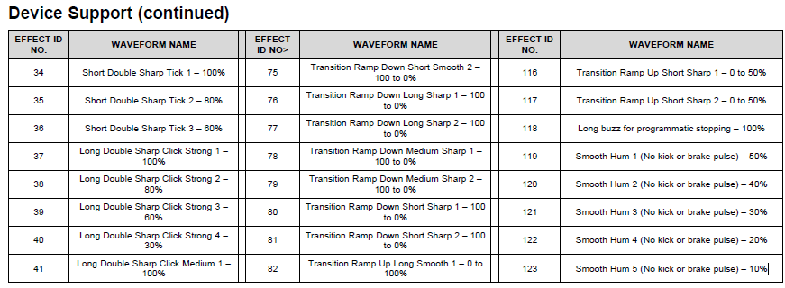
SOM | !H'X'

Number | ASCII hex | ASCII dec | ColorR | ColorG | ColorB | Effect Haptic | Haptic definition | Sound | Meaning | Color
0 | 0x0030 | 48 | 255 | 255 | 255 | 64/64/64 | Transition Hum 1 – 100% | Start.wav | //Start of game: 3 2 1 go
1 | 0x0031 | 49 | 255 | 0 | 0 | 15 | 750 ms Alert 100% | Achivement.wav | //Average but good time
2 | 0x0032 | 50 | 255 | 255 | 0 | 91 | Transition Ramp Up Medium Sharp 2 – 0 to 100% | Victory.wav | //Perfect time
3 | 0x0033 | 51 | 0 | 0 | 255 |  |  | WallHit.wav | //Hit a wall or corner
4 | 0x0034 | 52 | 0 | 255 | 0 |  |  | Fatality.wav | //Failure
5 | 0x0035 | 53 | 255 | 255 | 255 |  |  | Wait.wav | //Waiting for input (why not?)
6 | 0x0036 | 54 | 255 | 255 | 255 |  |  | Move.wav | //Player moved

